Sheet1
PHOTO | ARTIST | DESCRIPTION | COLOR | XS | S | M | L | XL | 2X | 3X | TOTAL | GRAND TOTAL | 29575
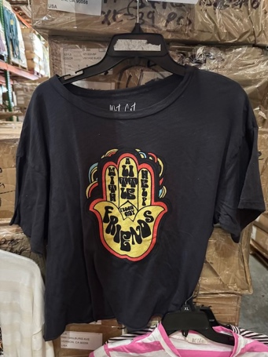 | BEATLES, THE | WITH A LITTLE HELP HAMSA HAND S/S TEE | VINTAGE BLACK | 10 | 19 | 15 | 15 | 24 |  |  | 83
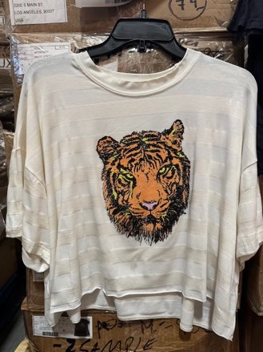 | DAVID BOWIE | TIGER LOGO S/S TEE | WHITE STRIPE | 9 | 22 | 74 | 31 | 12 |  |  | 148
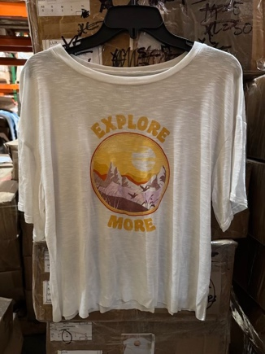 |  | EXPLORE MORE S/S TEE | IVORY | 38 | 107 | 207 | 72 | 44 |  |  | 468
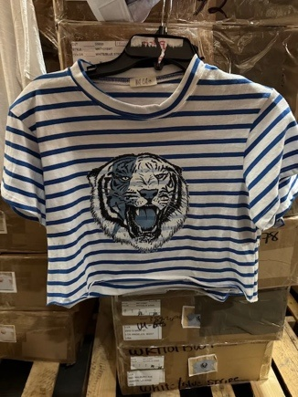 | DAVID BOWIE | TIGER LOGO STRIPED CROP S/S TEE | WHITE/BLUE |  | 79 | 150 | 166 | 72 |  |  | 467
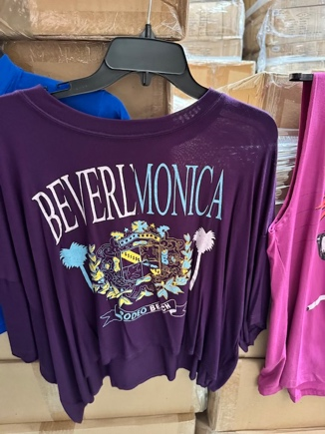 |  | BEVERLMONICA S/S TEE | PURPLE | 60 | 78 | 285 | 204 | 45 |  |  | 672
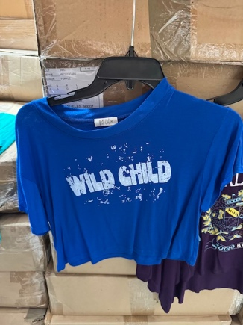 |  | WILD CHILD S/S TEE | ROYAL BLUE |  | 42 | 78 | 82 | 37 |  |  | 239
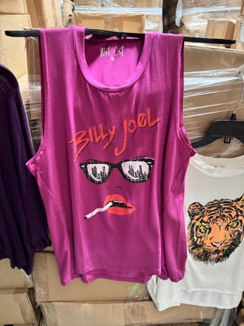 | BILLY JOEL | UPTOWN GIRL TANK TOP | FUCHSIA | 66 | 90 | 183 | 87 | 63 |  |  | 489
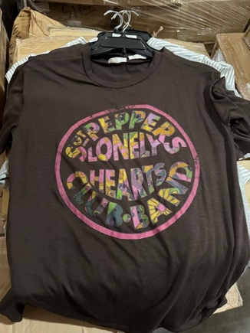 | BEATLES, THE | SGT. PEPPER & THE LONELY HEARTS CLUB BAND S/S TEE | BROWN | 42 | 87 | 176 | 254 | 198 |  |  | 757
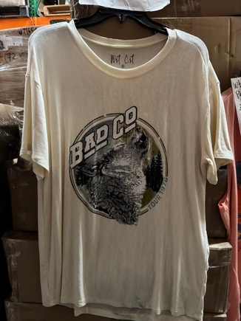 | BAD COMPANY | WOLF TEE TOUR 1976 S/S TEE | NATURAL | 143 | 279 | 271 | 135 | 97 |  |  | 925
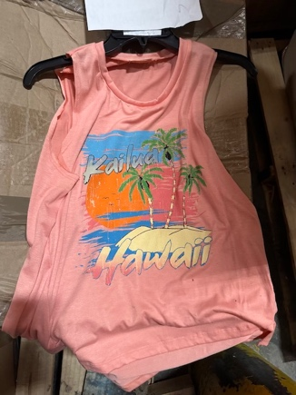 |  | KAILUA HAWAII TANK TOP | PEACH | 71 | 147 | 200 | 30 | 24 |  |  | 472
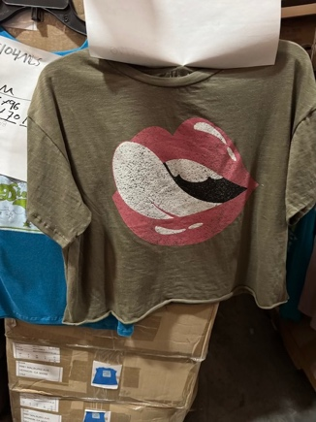 | ROLLING STONES, THE | LIPS LOGO CROP S/S TEE | OLIVE |  | 180 | 368 | 368 | 184 |  |  | 1100
 | ROLLING STONES, THE | LIPS LOGO CROP S/S TEE | SALMON |  | 47 | 49 | 94 |  |  |  | 190
 | ROLLING STONES, THE | LIPS LOGO CROP S/S TEE | YELLOW |  | 49 | 27 | 161 | 58 |  |  | 295
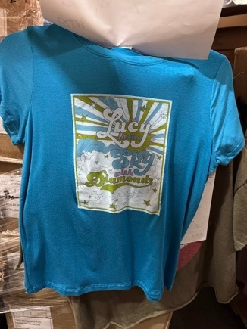 | BEATLES, THE | LUCY IN THE SKY WITH DIAMONDS S/S TEE | MEDITERRANEAN BLUE |  | 136 | 358 | 173 |  |  |  | 667
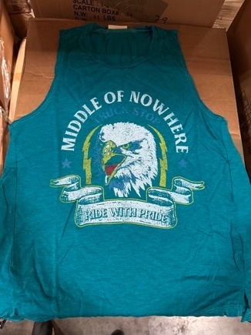 |  | MIDDLE OF NOWHERE TRUCK STOP RIDE WITH PRIDE TANK TOP | JADE | 72 | 140 | 211 | 96 | 70 |  |  | 589
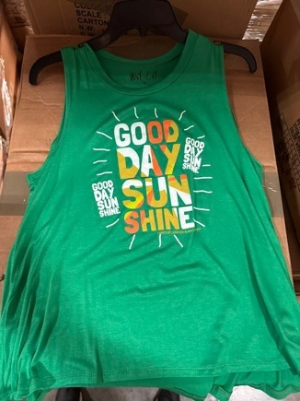 |  | GOOD DAY SUNSHINE TANK TOP | KELLY GREEN | 120 | 237 | 360 | 232 | 120 |  |  | 1069
 |  |  | SHITAKE (BROWN) |  | 21 | 36 | 29 | 23 |  |  | 109
 |  |  | DENIM |  | 74 | 163 | 168 | 82 |  |  | 487
 |  |  | OLIVE |  | 75 | 144 | 72 | 84 |  |  | 375
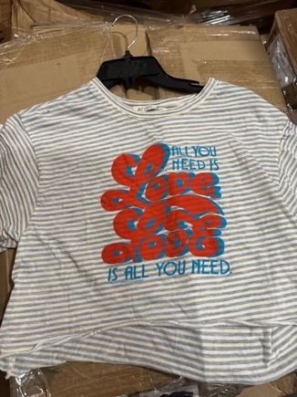 | BEATLES, THE | ALL YOU NEED IS LOVE STRIPED S/S TEE | WHITE/GREY |  | 179 | 351 | 242 | 293 |  |  | 1065
 | BEATLES, THE |  | WHITE/GREY |  | 180 | 372 | 408 | 176 |  |  | 1136
 |  |  | BLACK |  | 192 | 255 | 163 | 187 |  |  | 797
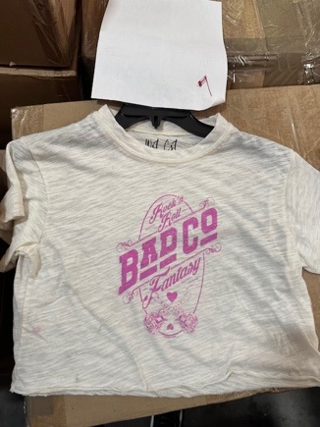 | BAD COMPANY | ROCK 'N ROLL FANTASY CROP S/S TEE | IVORY |  | 96 | 137 | 241 | 69 |  |  | 543
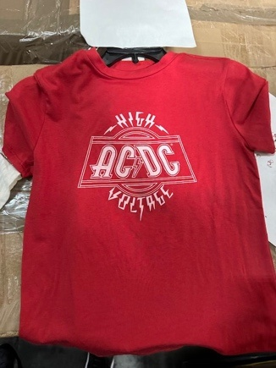 | AC/DC | HIGH VOLTAGE S/S TEE | RED |  | 78 | 168 | 168 | 85 |  |  | 499
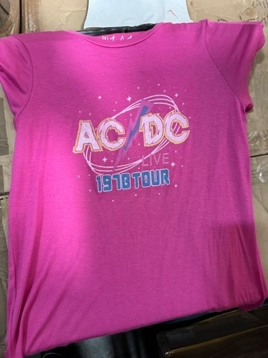 | AC/DC | LIVE 1978 TOUR | FUCHSIA |  | 197 | 353 | 336 | 53 |  |  | 939
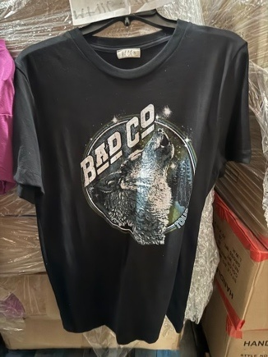 | BAD COMPANY | WOLF TEE TOUR 1976 S/S TEE | BLACK |  | 26 | 58 | 60 | 31 |  |  | 175
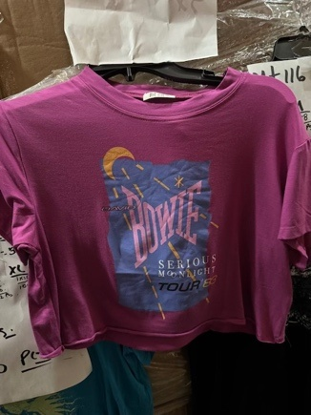 | DAVID BOWIE | SERIOUS MOONLIGHT TOUR '83 CROP S/S TEE | MAGENTA |  | 116 | 214 | 336 | 102 |  |  | 768
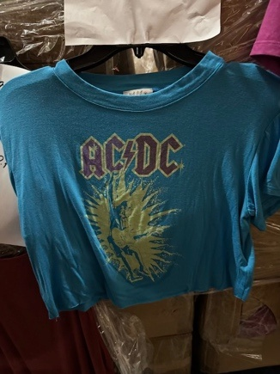 | AC/DC | HIGH VOLTAGE FIST IN AIR CROP S/S TEE | MEDITERRANEAN BLUE |  | 98 | 206 | 212 | 104 |  |  | 620
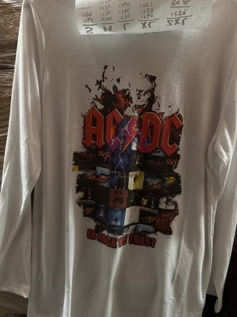 | AC/DC | IN ROCK WE TRUST L/S TEE | WHITE |  | 126 | 264 | 204 | 169 | 59 |  | 822
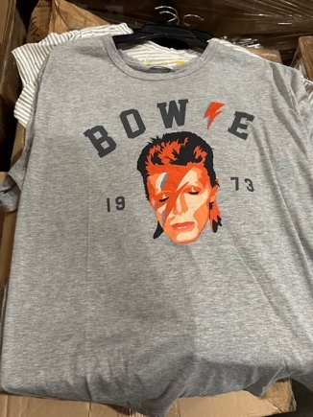 | DAVID BOWIE | 1973 LIGHTNING BOLT FACE | HEATHER GREY |  | 112 | 334 | 366 | 174 | 111 |  | 1097
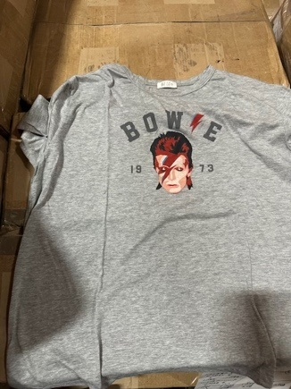 | DAVID BOWIE | 1973 LIGHTNING BOLT FACE (SMALLER LOGO) | HEATHER GREY |  | 92 | 99 | 100 | 27 | 111 |  | 429
 |  |  | MOCHA 6 |  | 101 | 258 | 258 | 133 |  |  | 750
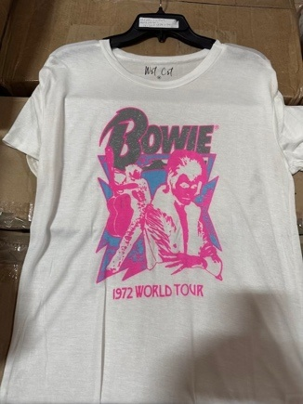 | DAVID BOWIE | 1972 WORLD TOUR S/S TEE | WHITE |  | 75 | 160 | 160 | 52 |  |  | 447
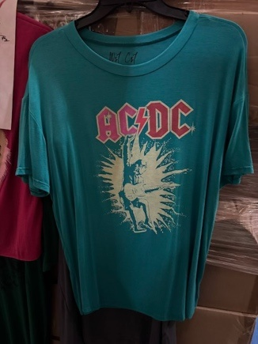 | AC/DC | HIGH VOLTAGE FIST IN AIR S/S TEE | JADE |  | 48 | 199 | 191 | 128 |  |  | 566
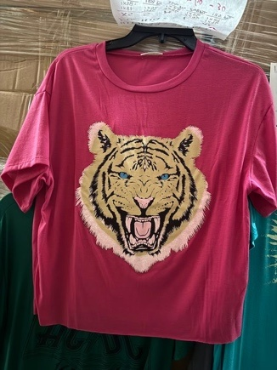 | DAVID BOWIE | TIGER LOGO S/S TEE | FUCHSIA | 95 | 128 | 306 | 188 | 95 |  |  | 812
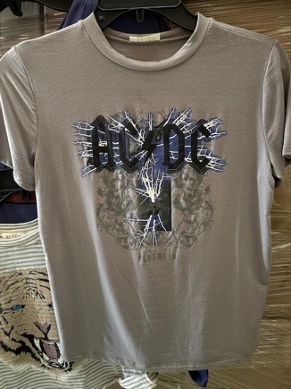 | AC/DC | PLUG ME IN S/S TEE | GREY |  | 76 | 160 | 162 | 78 |  |  | 476
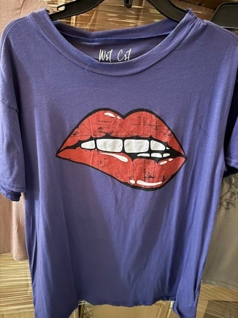 | ROLLING STONES, THE | LIP BITE S/S TEE | NAVY | 65 | 112 | 125 | 60 | 34 |  |  | 396
 |  |  | BROWN | 65 | 76 | 79 | 30 | 21 |  |  | 271
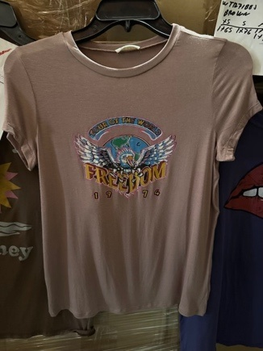 |  | FREEDOM TOUR OF THE WORLD 1974 S/S TEE | SHITAKE (BROWN) |  | 60 | 189 | 192 | 62 |  |  | 503
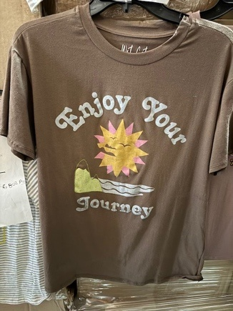 | JOURNEY | ENJOY YOUR JOURNEY S/S TEE | WHA/YELLOW |  | 65 | 145 | 142 | 56 |  |  | 408
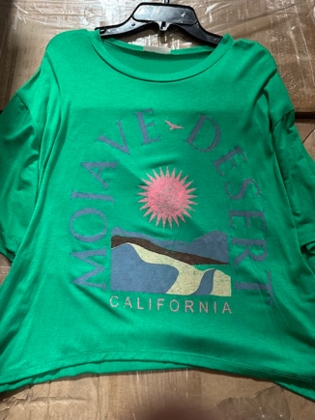 |  | MOJAVE DESERT CALIFORNIA S/S TEE | KELLY GREEN | 85 | 242 | 192 | 192 | 91 |  |  | 802
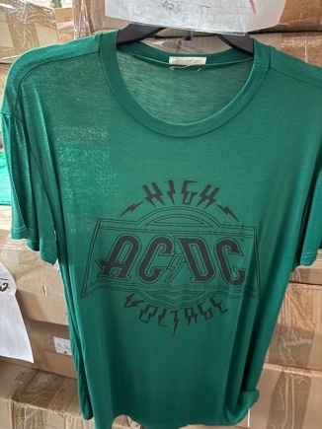 | AC/DC | HIGH VOLTAGE S/S TEE | GREEN |  | 91 | 164 | 184 | 167 |  |  | 606
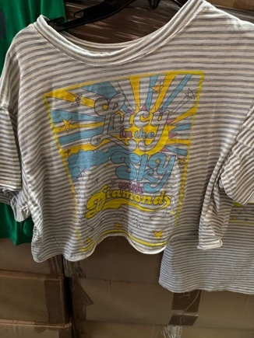 | BEATLES, THE | LUCY IN THE SKY WITH DIAMONDS CROP S/S TEE | WHT/GRY/YEL |  | 180 | 378 | 383 | 187 |  |  | 1128
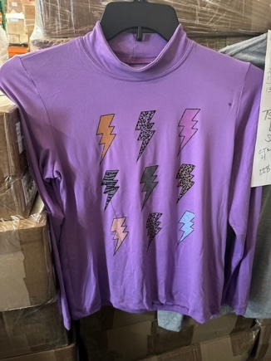 | DAVID BOWIE | LIGHTNING BOLT TURTLENECK L/S | ORCHID |  | 158 | 329 | 329 | 163 |  |  | 979
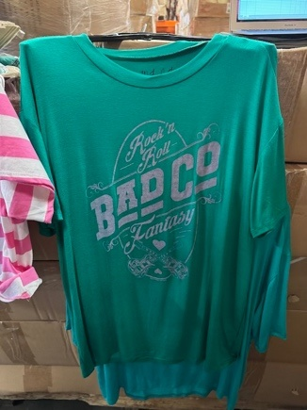 | BAD COMPANY | ROCK 'N ROLL FANTASY S/S TEE | EMERALD GREEN |  | 48 | 131 | 136 | 66 |  |  | 381
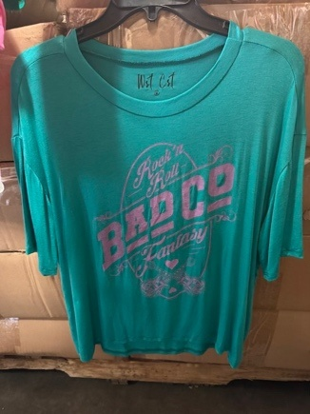 | BAD COMPANY | ROCK 'N ROLL FANTASY S/S TEE | JADE | 109 | 271 | 444 | 208 | 175 |  |  | 1207
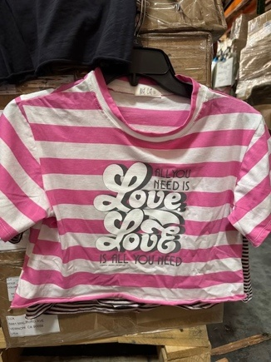 | BEATLES, THE | ALL YOU NEED IS LOVE STRIPED S/S TEE | WHT/PNK |  | 226 | 447 | 456 | 223 |  |  | 1352

 |  |  |  |  |  |  |  |  |  |  | 29575

